Sheet1
Vulnerability | Ratings | Impact | Evidence | Mitigations
Exposure of Information Through Directory listing | Critical | A directory listing provides an attacker with the complete index of all the resources located inside of the directory. The specific risks and consequences vary depending on which files are listed and accessible. E.g. Credentials Stealing, Critical Info disclosure, etc. | 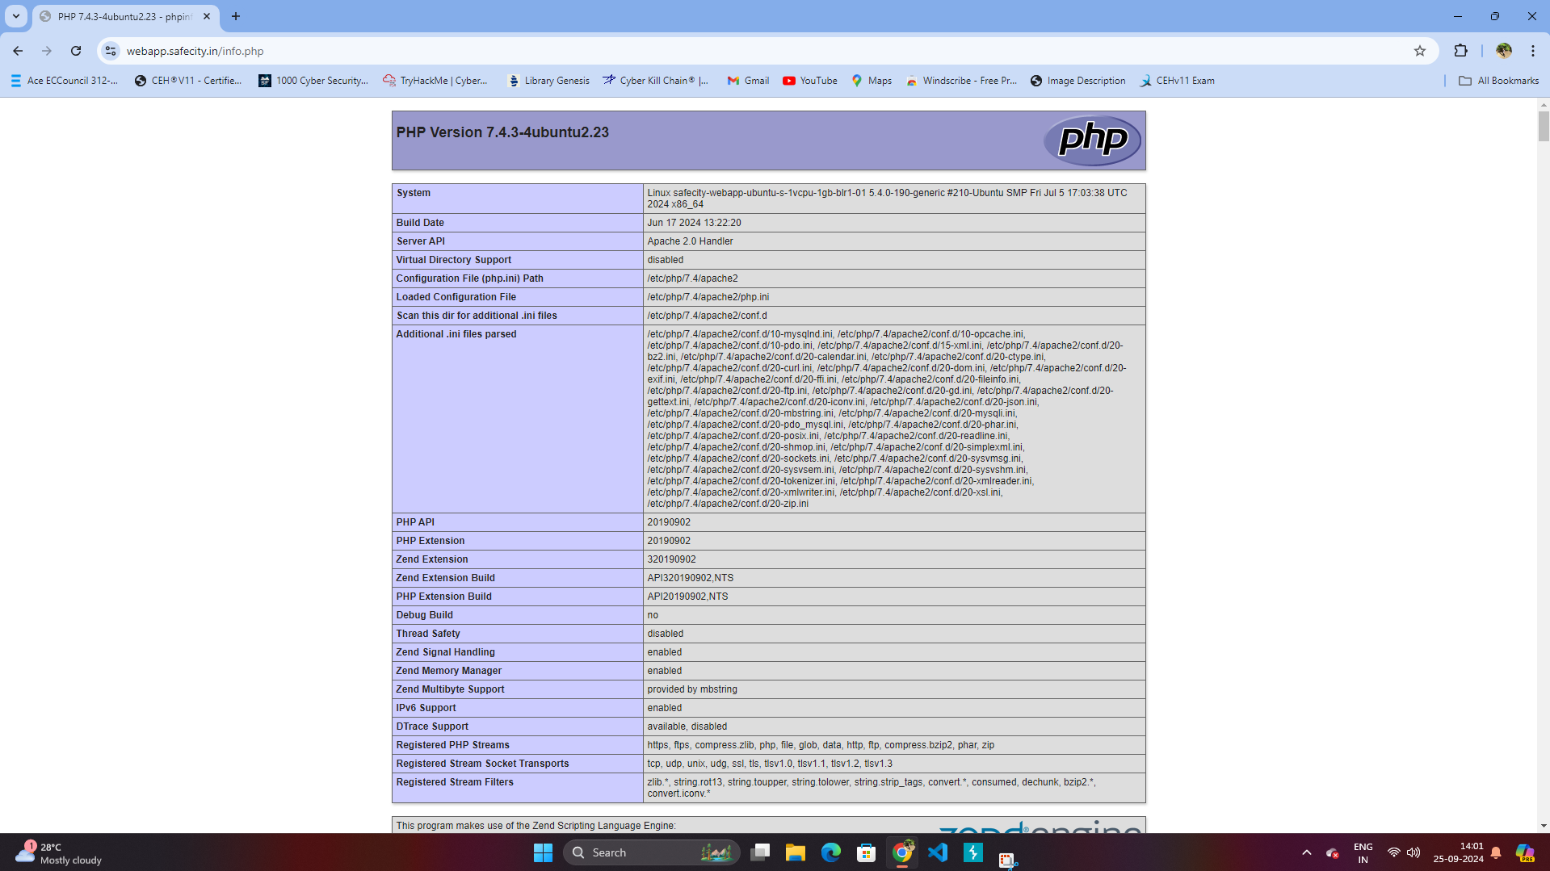 Goto: https://webapp.safecity.in/info.php | 1. Remove or Restrict Access: o Remove the info.php file if not needed. o If required, restrict access using IP whitelisting or authentication to ensure only trusted users can view it. 2. Disable PHP Info Globally: o In the php.ini file, set expose_php = Off and disable the phpinfo() function to prevent the output of PHP environment details. 3. Hide Server Information: o Configure the server to hide version details. . In Apache, set ServerSignature Off and ServerTokens Prod. . In Nginx, use server_tokens off. -> TOOLS USED: Nessus, ZAP & Dirbuster
Inclusion of Functionality from Untrusted Control Sphere | Critical | An attacker could insert malicious functionality into the program by causing the program to download code that the attacker has placed into the untrusted control sphere, such as a malicious web site. E.g. DOM based XSS, Stealing Cookie, etc. | 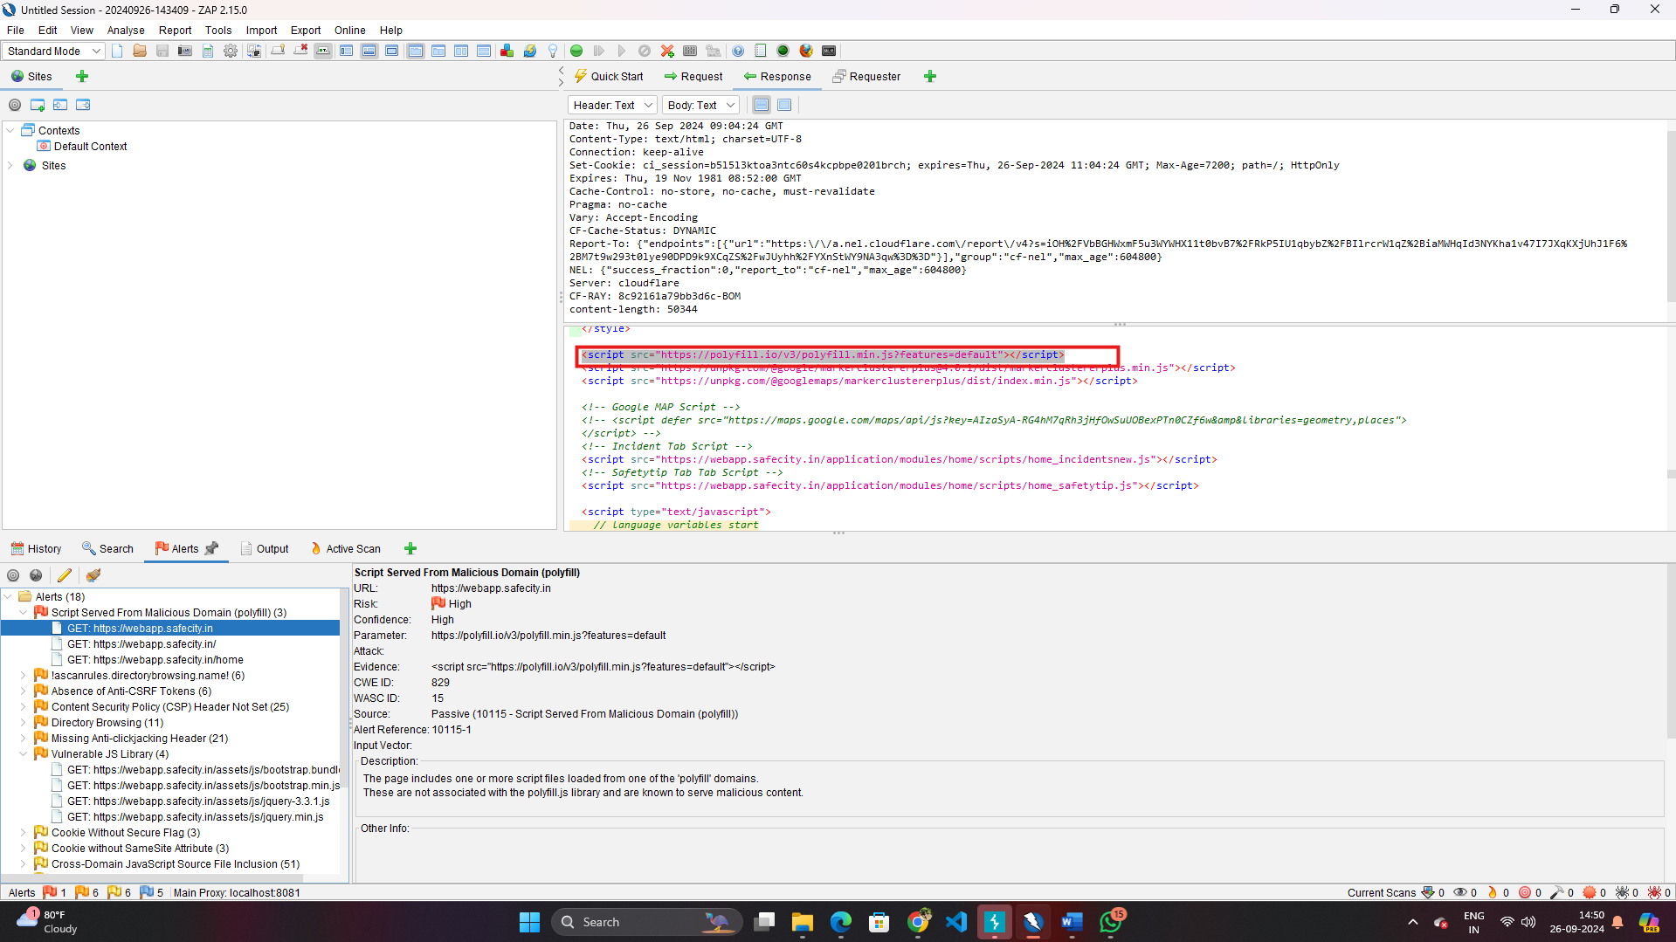 The CDN : <script src=” https://polyfill.io/v3/polyfill.min.js?features=default”></script> | Use a vetted library or framework that does not allow this weakness to occur or provides constructs that make this weakness easier to avoid. • When the set of acceptable objects, such as filenames or URLs, is limited or known, create a mapping from a set of fixed input values (such as numeric IDs) to the actual filenames or URLs, and reject all other inputs. -> TOOLS USED: OWASP ZAP
Sensitive Cookie with Improper SameSite Attribute | Medium | The SameSite attribute controls how cookies are sent for cross- domain requests. This attribute may have three values: 'Lax', 'Strict', or 'None'. If the 'None' value is used, a website may create a cross-domain POST HTTP request to another website, and the browser automatically adds cookies to this request. This may lead to Cross-Site-Request-Forgery (CSRF) attacks if there are no additional protections in place. E.g. CSRF Attack | 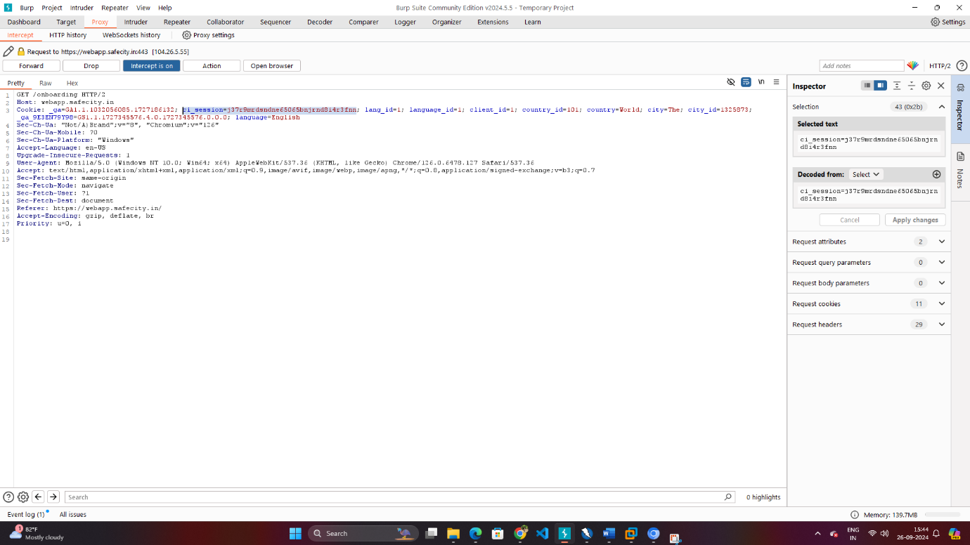 | Set the SameSite attribute of a sensitive cookie to 'Lax' or 'Strict'. This instructs the browser to apply this cookie only to same-domain requests, which provides a good Defense in Depth against CSRF attacks. When the 'Lax' value is in use, cookies are also sent for top-level cross-domain navigation via HTTP GET, HEAD, OPTIONS, and TRACE methods, but not for other HTTP methods that are more like to cause side-effects of state mutation. -> TOOLS USED: OWASP ZAP, NESSUS, NIKTO, BURP SUITE
Improper Access Control | Medium | 1.Unauthorized Access: Attackers could access sensitive data, files, or services without permission. 2. Privilege Escalation: Users may gain higher privileges than intended, allowing them to perform administrative actions. 3. Data Breaches or System Compromise: Unrestricted access to sensitive files or configurations can lead to severe security breaches, potentially exposing personal or critical data. E.g. SQL Injection, PII Information, Critical Info. | 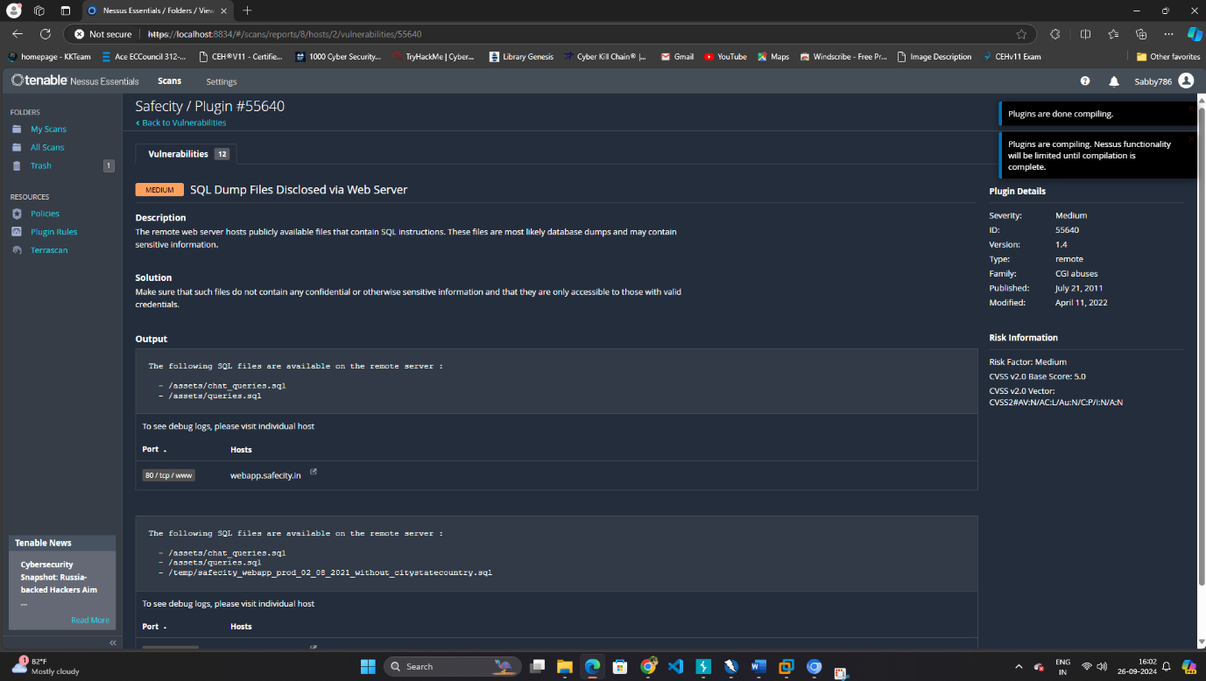 Goto: 1.) https://webapp.safecity.in/assets/chat_queries.sql 2.) https://webapp.safecity.in/assets/queries.sql | Implement Least Privilege: • Assign the minimum level of access necessary for users and processes, ensuring they can't access resources beyond their authorization. Enforce Role-Based Access Control (RBAC): • Use role-based policies to strictly define what actions each user or role can perform, limiting access based on predefined permissions. Conduct Regular Access Audits: • Periodically review and audit access controls, ensuring they are properly enforced and that no unauthorized access or privilege escalation is occurring. -> TOOLS USED: NESSUS Only

